工作表1
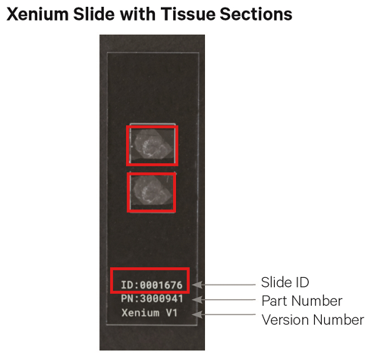
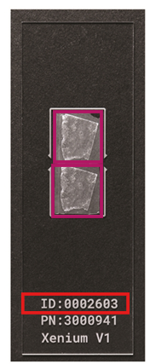
Xenium Label Example
Sample Name: |  |  | Sample Name:
Xenium Slide-1 ID: |  |  | Xenium Slide-2 ID:
Xenium Slide - 1 |  | Note | Xenium Slide - 2 |  | Note
ROI | Label | Max 8 Regions(Region of Interest) | ROI | Label | Max 8 Regions(Region of Interest)
ROI-1 | AA01 |  | ROI-1 | BB01
ROI-2 | AA02 |  | ROI-2 | BB02
ROI-3 | None |  | ROI-3 | None
ROI-4 | None |  | ROI-4 | None
ROI-5 | None |  | ROI-5 | None
ROI-6 | None |  | ROI-6 | None
ROI-7 | None |  | ROI-7 | None
ROI-8 | None |  | ROI-8 | None

 |  |  | Xenium Slide - 2

